(Part1)3A
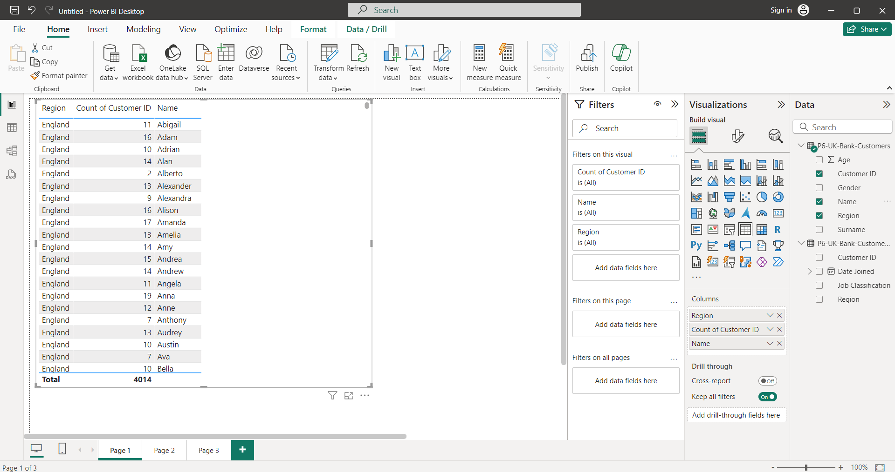
Level 2

3a. Region-wise number of customers

3B
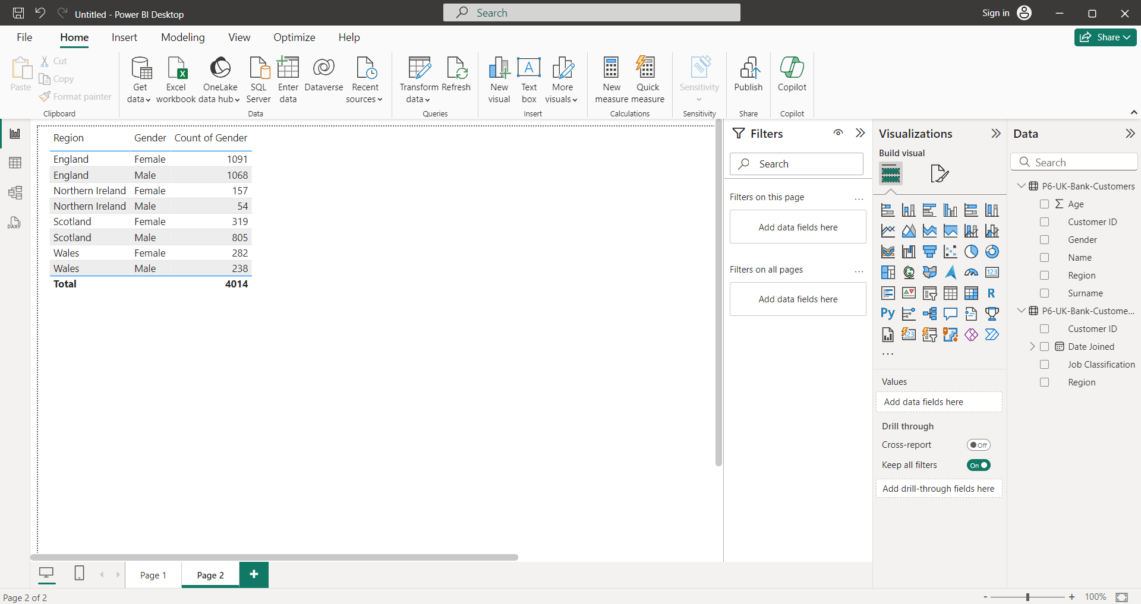
3b. Region-wise number of Male & Female Customers

3C
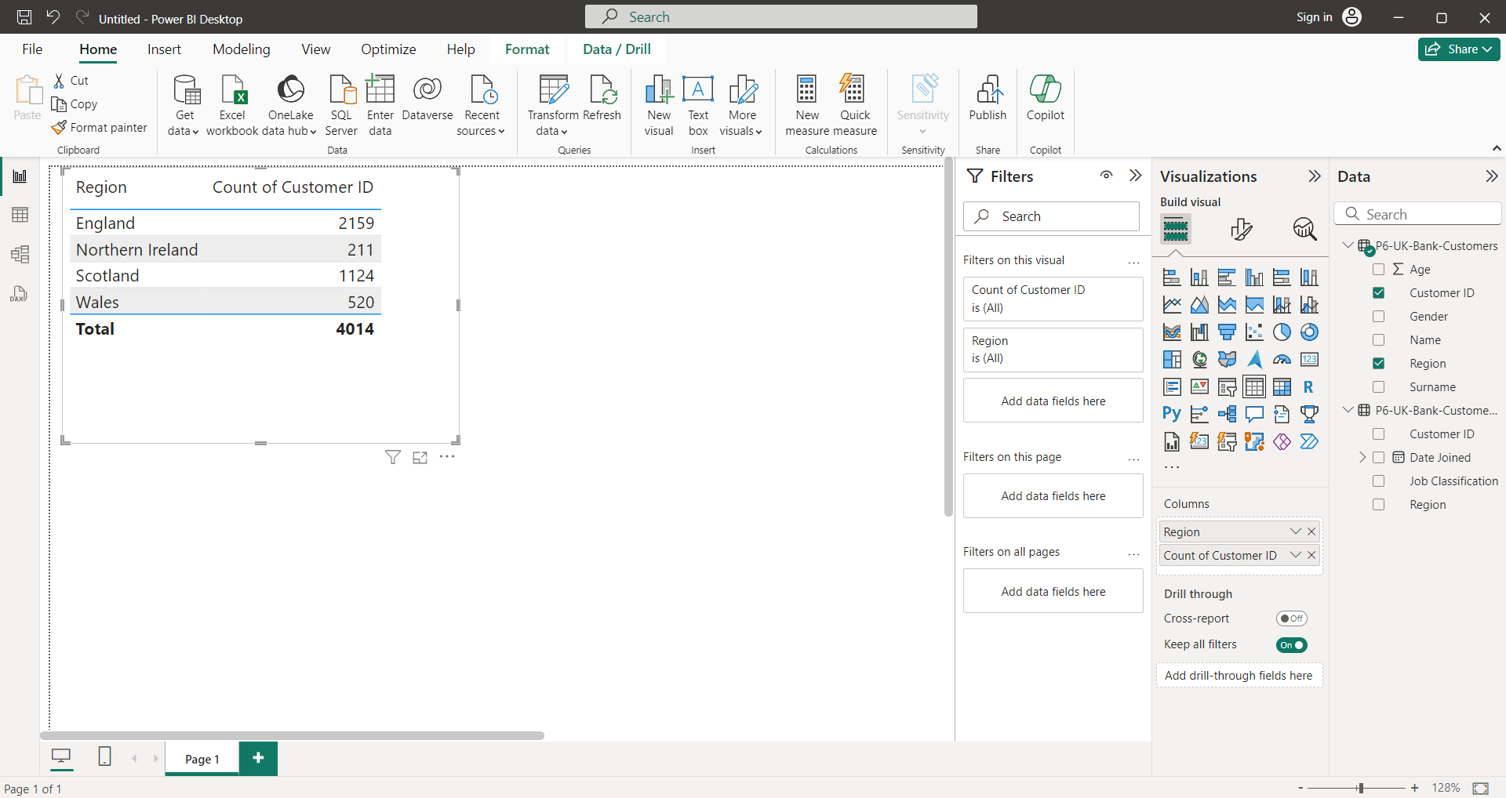
3c. Customer presence throughout the world (based on the region-wise customer base)

3D
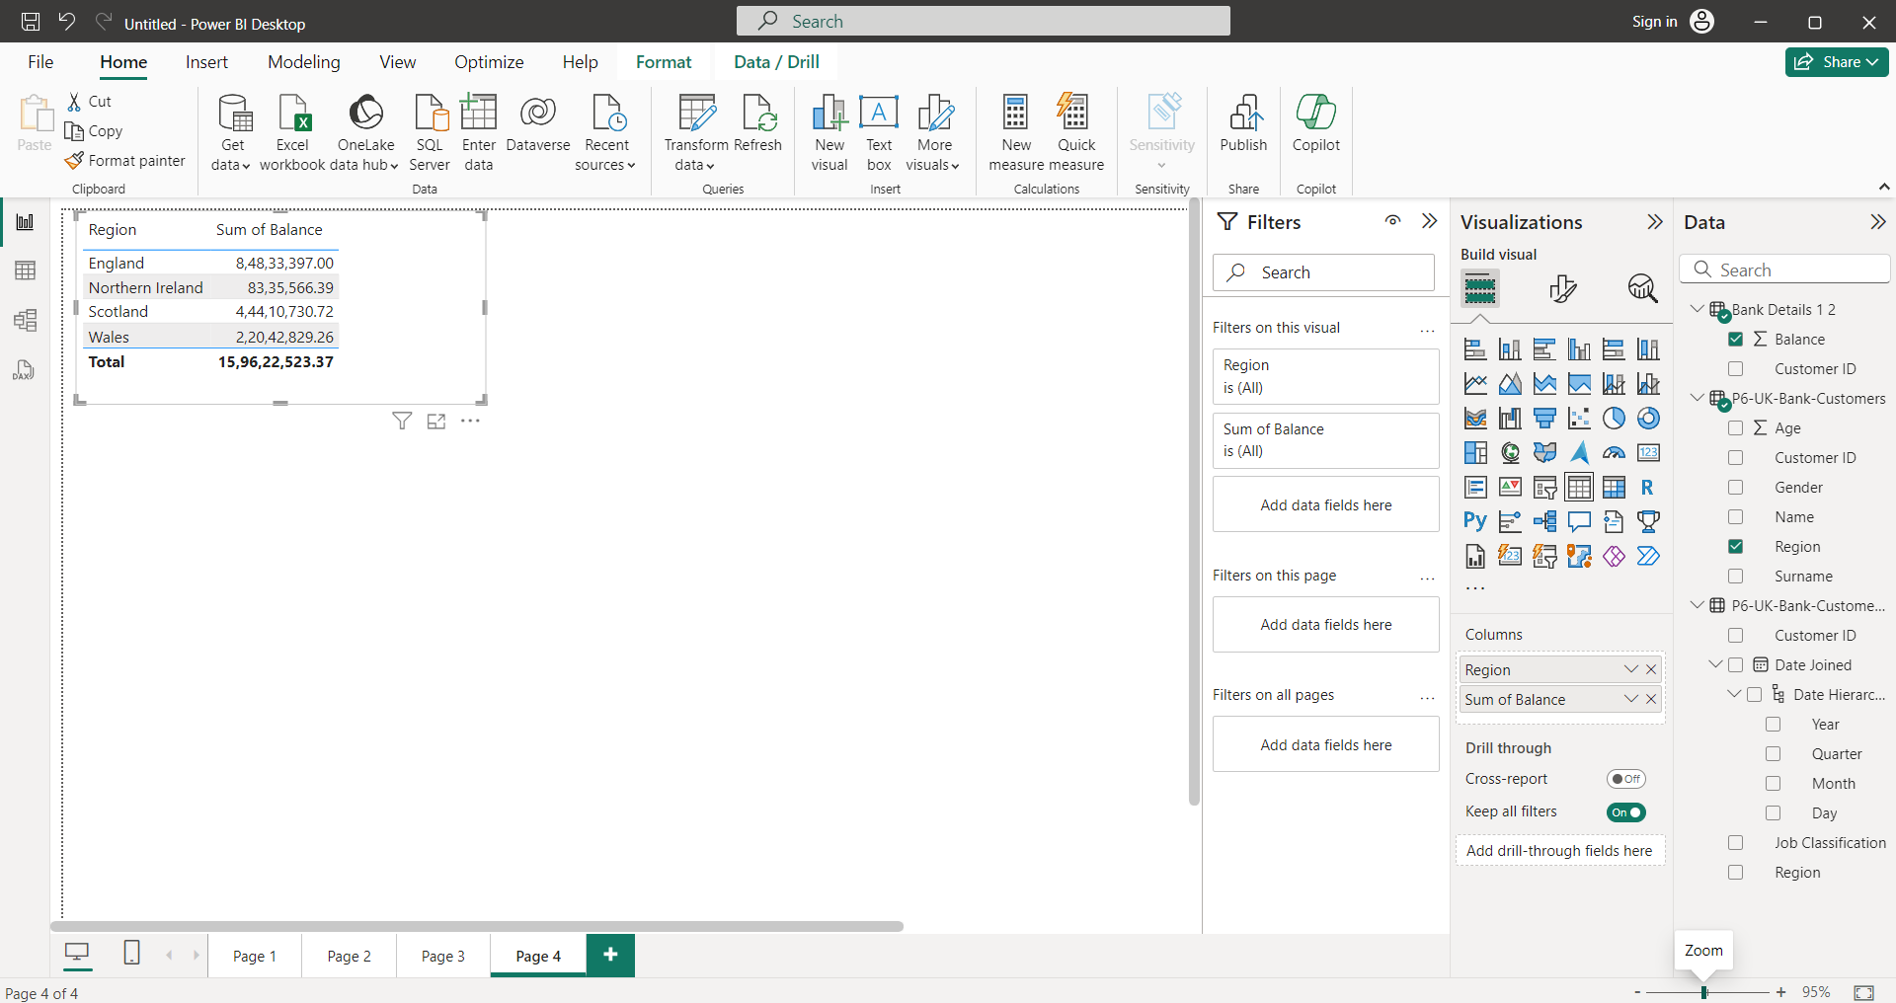
3d. Region-wise customer’s bank balance

3E
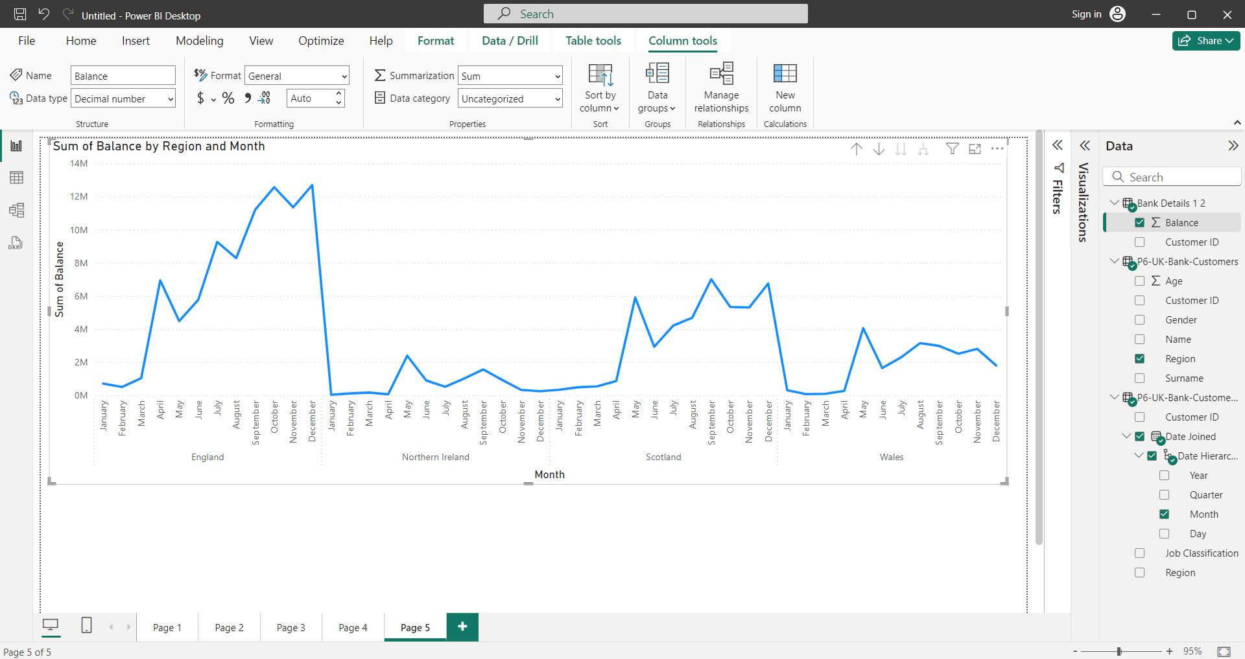
3e. Region-wise Monthly balance availability trend.

(Part2)2A
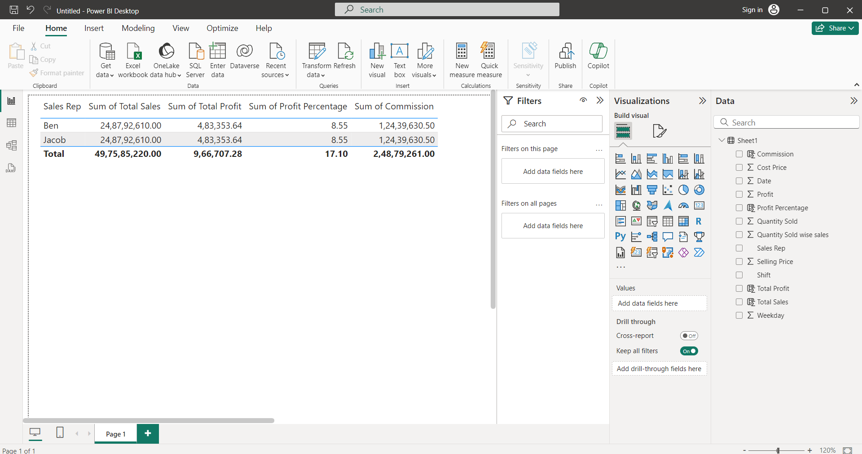
2a. Overall profit percentage and commission for sales against each sales representative

2B
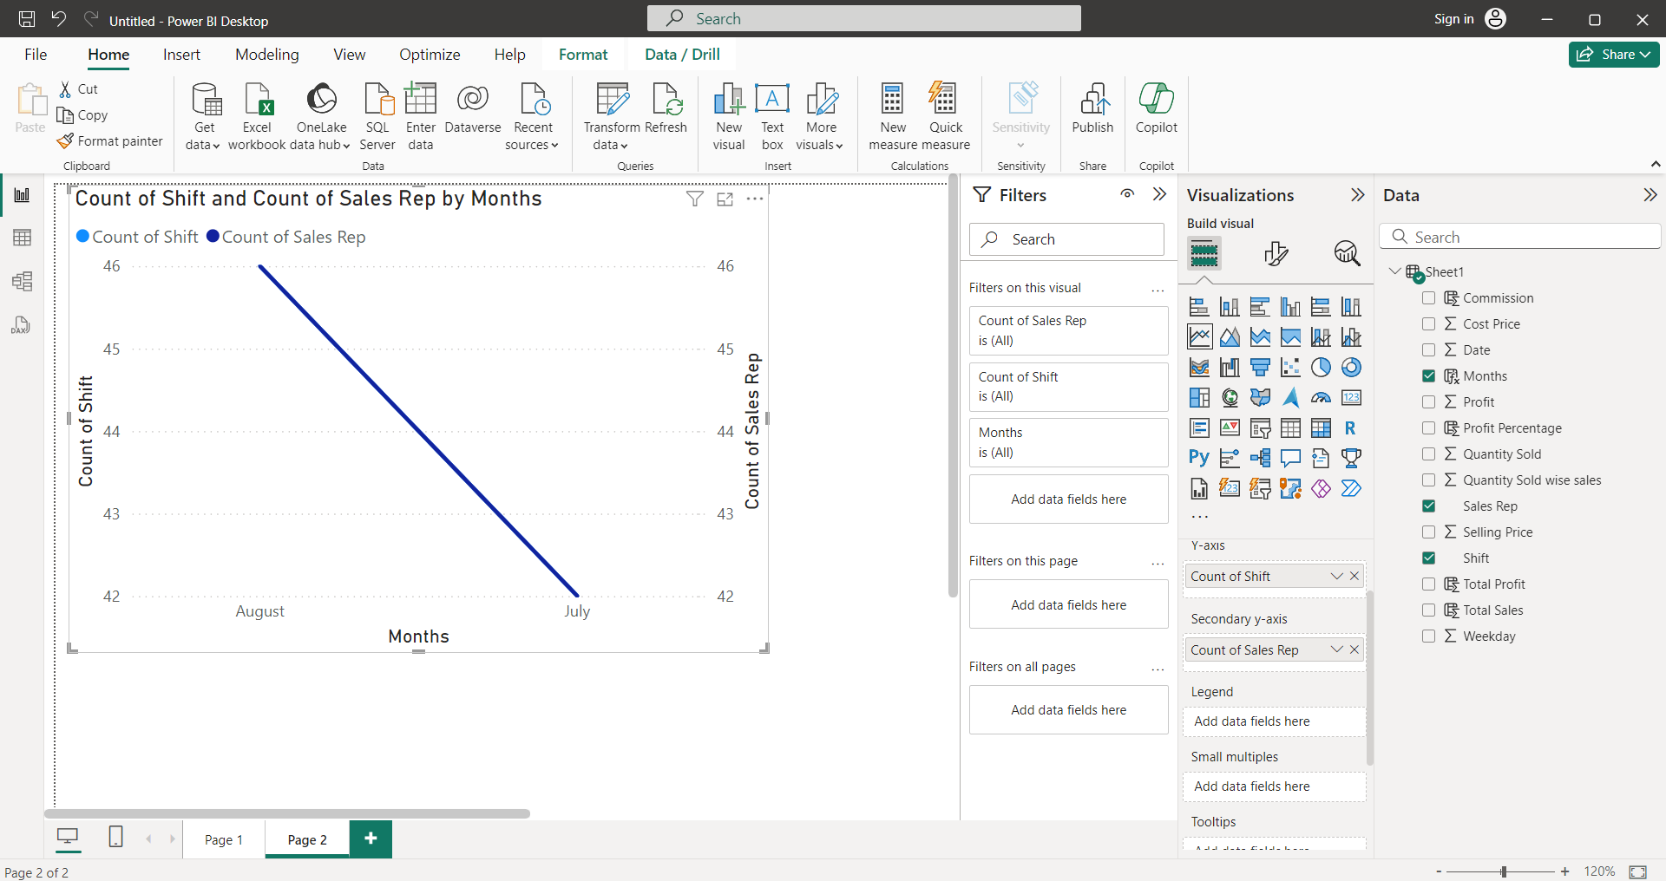
2b. Sales representative-wise total number of work shifts (monthly basis) and work shifts (day & night) trends against the sales representative

